1. Title Page
Instacart Grocery Basket Analysis

Project Name: Instacart Grocery Basket Analysis
Date: October, 2024
Analyst Name: Asad Agha

Contents:
Population Flow
Consistency checks
Wrangling steps
Column derivations
Visualizations
Recommendations

Data Source:
"Instacart Grocery Shopping Dataset 2017", accessed from https://www.instacart.com/datasets/grocery-shopping-2017

Data Citation:
Customer data and the “prices” column in the products data set were fabricated for the purpose of this course.

2. Population Flow
Title page

Population flow

Exclusion flag
Condition: max_order <
Obervations to be removed:
Final total count of order_products_all:

Orders_products_combined
Orders_products_merged
Orders_products_all

Total: 32404859
Total: 32434489
Total: 32404859

1.) The grey boxes in the first row of the population flow represent the original data sets as they were when you downloaded them. In the Total fields you need to add the count of the rows when you imported the data set into Jupyter.
2.) The second row of boxes (coloured) represents the data sets after you manipulated them, e.g., removed missing values and duplicates. In the Total fields you need to add the count of the rows after conducting these operations. This offers a visual oveview of how the data flows throughout the data consistency checks.
3.) The third row, where also the arrows are coloured, represents the merges you performed between the datasets. In the Total fields you need to add the count of the rows in the merged datasets, so that you end up with the final dataset (in the red box). Keep in mind the final dataset should be without exclusions (based on the exclusion flag).

3. Consistency checks
 |  |  |  | Title page
Consistency checks

Dataset | Missing values | Missing values treatment | Duplicates
orders | 206209 missing values | Flagged them as first_order | No duplicates were found
products | 16 missing values for product_name | Removed them | Deleted 5 duplicate rows
orders_products_prior | No missing values | N/A | No duplicates were found
customers | No missing values | N/A | No duplicates were found

4. Wrangling steps
 |  |  |  | Title page
Wrangling steps

Columns dropped | Columns renamed | Columns' type changed | Comment/Reason
eval_set |  |  | Irrelevant for the analysis.
 |  | order_id | Data type changed from integer to string
 |  | user_id | Data type changed from integer to string
 | order_dow to order_day_of_week |  | Ease of understanding.
 |  | first_name | Changed the type to string because mixed-type values were fround in the column.
 | First Name to first_name |  | To make the column names consistent.
 | Surnam to last_name |  | To make the column names consistent.
 | Gender to gender |  | To make the column names consistent.
 | STATE to state |  | To make the column names consistent.
 | Age to age |  | To make the column names consistent.
_merge |  |  | Dropped since not needed once merge check is completed.

5. Column derivations
 |  |  |  | Title page

Column derivations and aggregations

In this tab you should add tables below that the frequences of flags/label variables that you produced after deriving them. NB: don't do this for continuous variables, only for flags.
Dataset | New column | Column/s it was derived from | Conditions
orders | first_order | days_since_prior_order | NaN
ords_prods_merge | price_range_loc | prices | if prices <= 5 then 'low-range product' if prices >5 & <= 15 then 'mid-range product' if prices > 15 then 'high-range product' else 'not enough data'
ords_prods_merge | busiest_day | order_day_of_week | if value == 0 then 'busiest day' if value == 4 then 'least busy' else 'regularly busy'
ords_prods_merge | busiest_period_of_day | order_hour_of_day | if value in [10, 11, 14, 15, 13, 12, 16, 9] then 'Most Orders' if value in [23, 6, 0, 1, 5, 2, 4, 3] then 'Fewest Orders' else 'Average Orders'
ords_prods_merge | max_order | number_of_orders | Maximum number of orders placed by each user
ords_prods_merge | loyalty_flag | max_order | if value > 40 then 'Loyal customer' if value <= 40 & > 10 then 'Regular customer' if value < 10 then 'New customer'
ords_prods_merge | average_spend | user_id, prices | Average price per customer
ords_prods_merge | spender_flag | average_spend | if value < 10 then 'Low spender' if value >= 10 then 'High customer'
ords_prods_merge | customer_frequency | days_since_prior_order | Median number of days since each user's last order
ords_prods_merge | frequency_flag | customer_frequency | if value > 20 then 'Non frequent customer' if value > 10 & <= 20 then 'Regular customer' if value <= 10 then 'frequent customer'
instacart_dept_merged | income_group | income | if value > 100000 then 'high ' if value >= 50000 & < 100000 then 'middle' if value < 50000 then 'low '
instacart_dept_merged | age_group | age | if value > 65 then 'Senior' if value > 44 & <= 65 then 'Older Adult' if value > 25 & <= 40 then 'Adult' if value <= 25 then 'Young Adult'
instacart_dept_merged | dependants_flag | n_dependants | if value == 0 then 'No dependants' if value >0 then 'Has dependants'

first_order |  | spender_flag
False 30328763 |  | Low_spender 31770614
True 2076096 |  | High_spender 634245
Name: count, dtype: int64 |  | Name: count, dtype: int64

price_range_loc |  | frequency_flag
Mid-range product 21860860 |  | Frequent customer 21559853
Low-range product 10126321 |  | Regular customer 7208564
High-range product 417678 |  | Non-frequent customer 3636437
Name: count, dtype: int64 |  | NaN 5
 |  | Name: count, dtype: int64

busiest_day |  | income_group
Regularly busy 22416875 |  | High 14207028
Busiest day 6204182 |  | Middle 13394982
Least busy 3783802 |  | Low 3362554
Name: count, dtype: int64 |  | Name: count, dtype: int64

busiest_period_of_day |  | age_group
Most orders 21118071 |  | Older Adult 12085297
Average orders 9997651 |  | Senior 7730834
Fewest orders 1289137 |  | Adult 7283915
Name: count, dtype: int64 |  | Young Adult 3864518
 |  | Name: count, dtype: int64

loyalty_flag |  | dependents_flag
Regular customer 15876776 |  | Has Dependents 23224883
Loyal customer 10284093 |  | No Dependents 7739681
New customer 6243990 |  | Name: count, dtype: int64
Name: count, dtype: int64

6. Visualizations
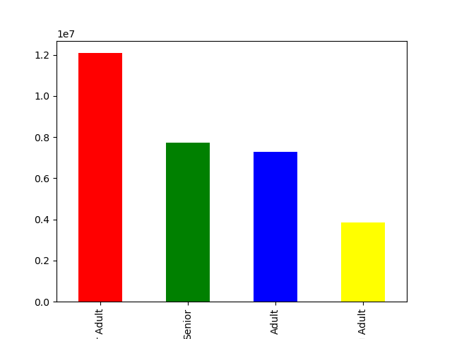
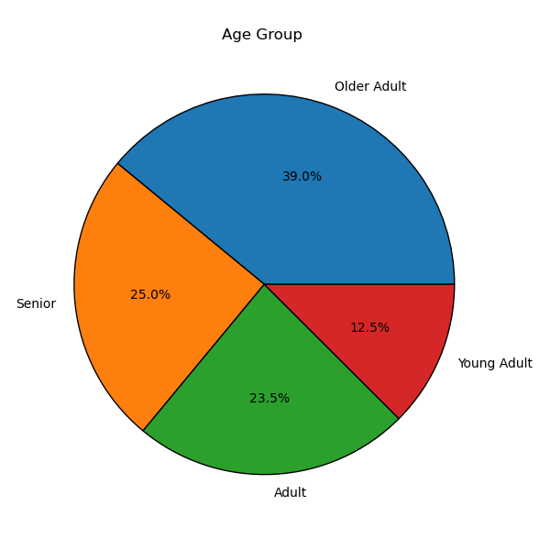
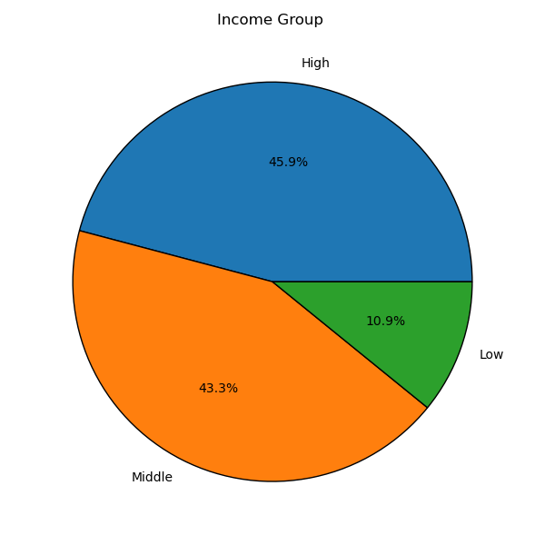
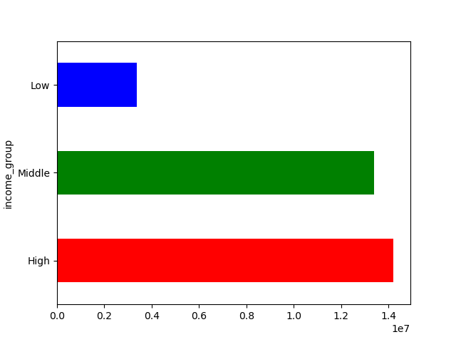
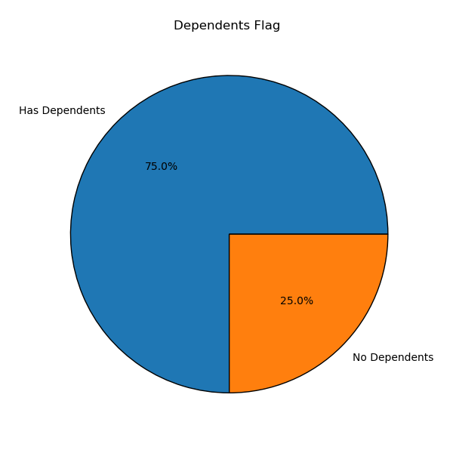
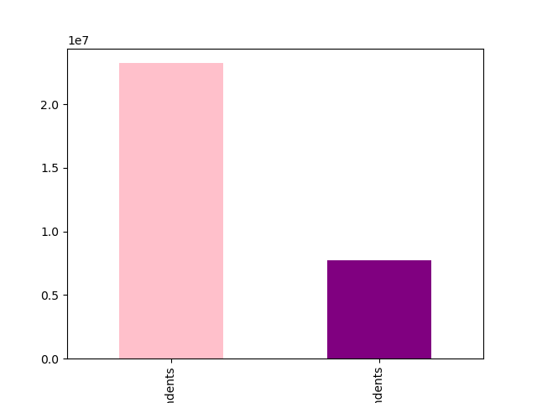
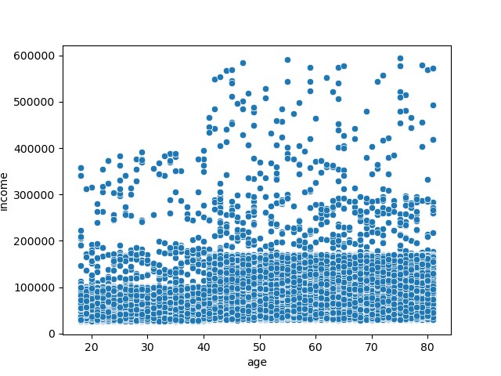
 | Title page

Visualisations

In this tab you should include all the visualtions from Exercises 4.9 and 4.10, alongside the questions from the project brief that they answer. Include any commentary on the relationship between different variables.

Question
From the Sales Team: What are the busiest days of the week and hours of the day?

Commentary
Saturday and Sunday are the busiest days of the week, while Tuesday and Wednesday tend to be the quietest. Most orders occur between 9 AM and 4 PM, with a peak between 10 AM and 11 AM.

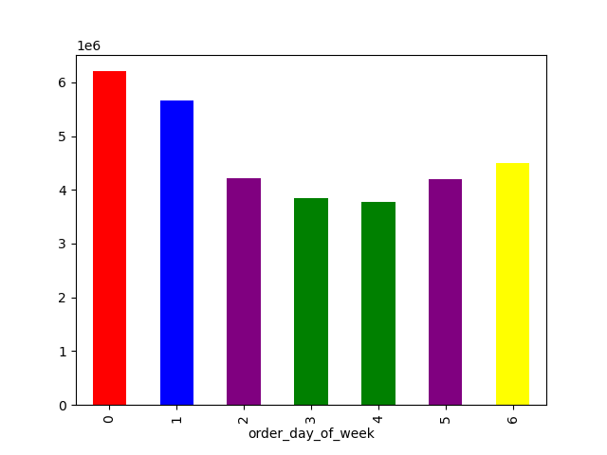


Question
From the Sales Team: Are there particular times of day when people spend the most money?

Commentary
Sales are slightly higher in the morning, followed by the afternoon. Additionally, there are higher number of sales on weekends compared to weekdays.

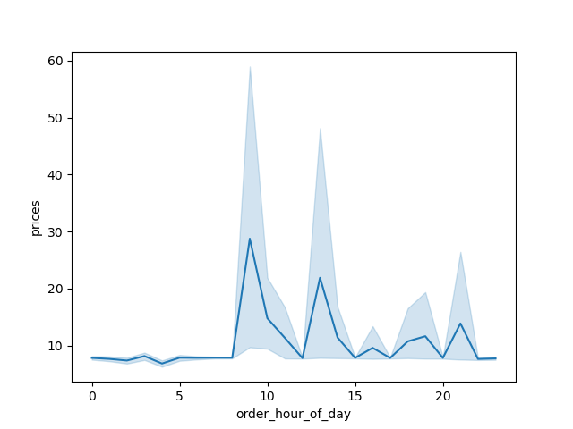

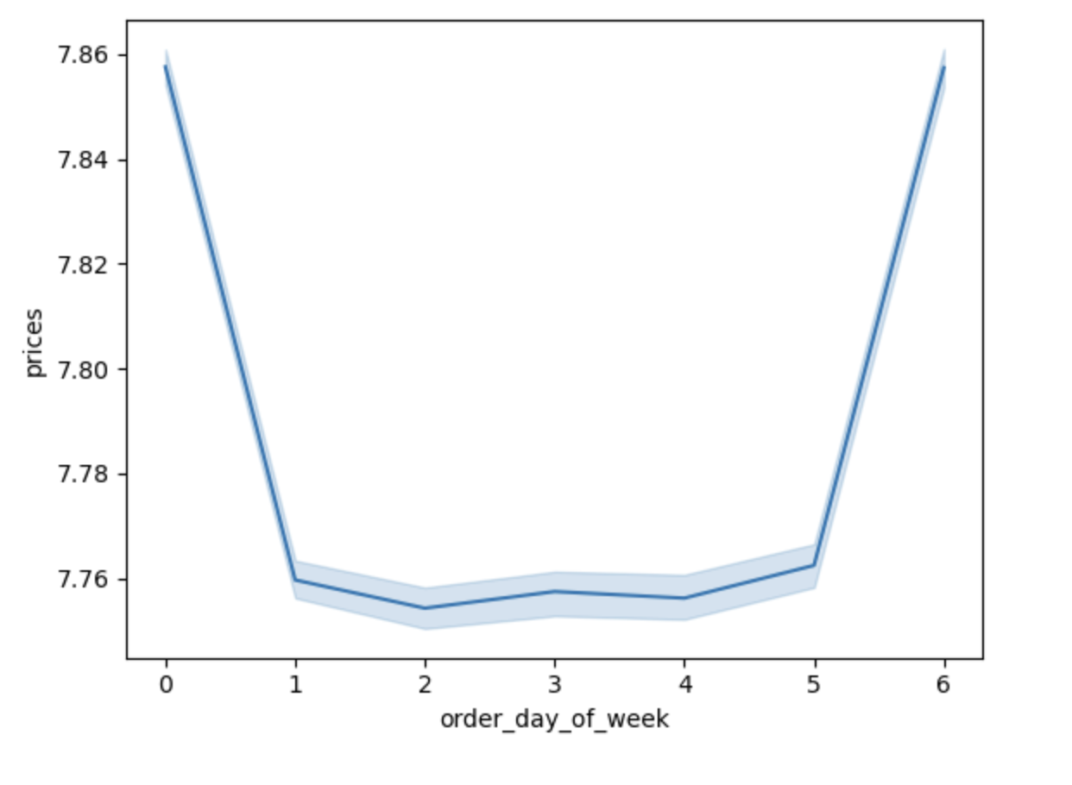

Question
Marketing and Sales Team: Are there certain products that are more popular than others? How do they differ based on different regions?

Commentary
The South and West have the greatest number of total product orders. Produce, dairy/eggs, snacks, and beverages are the top-selling departments across different regions.
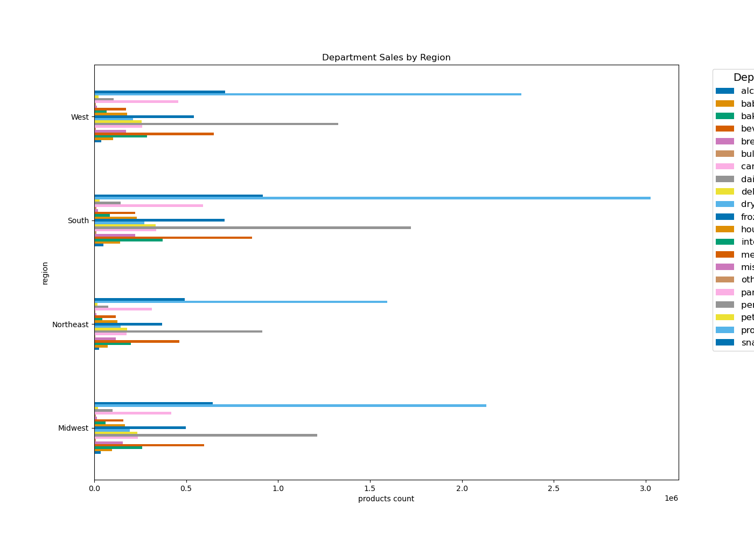

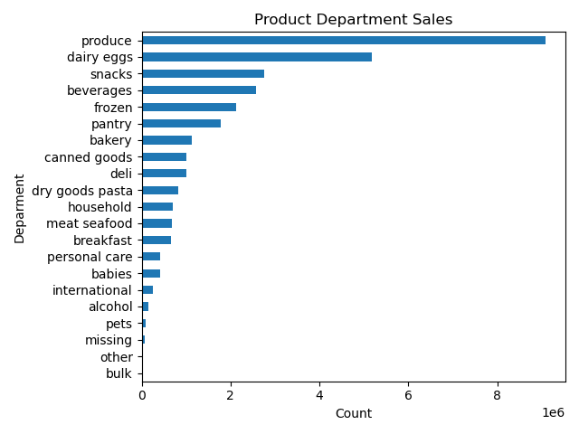
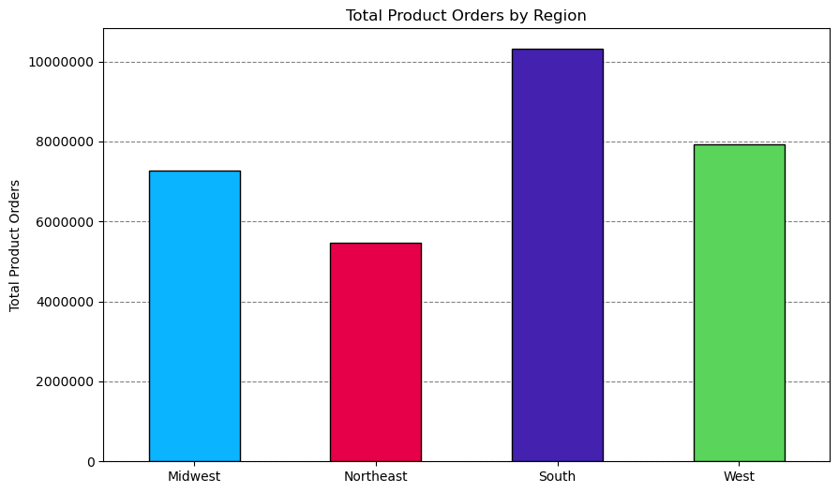

Question
Marketing and Sales Team: Are there differences in ordering habits based on which income group customers fall in?

Commentary
Customers in the High (> $100000) and Middle ($50000 - $100000) income grouo have the largest orders of produce, snacks and dariy/eggs.
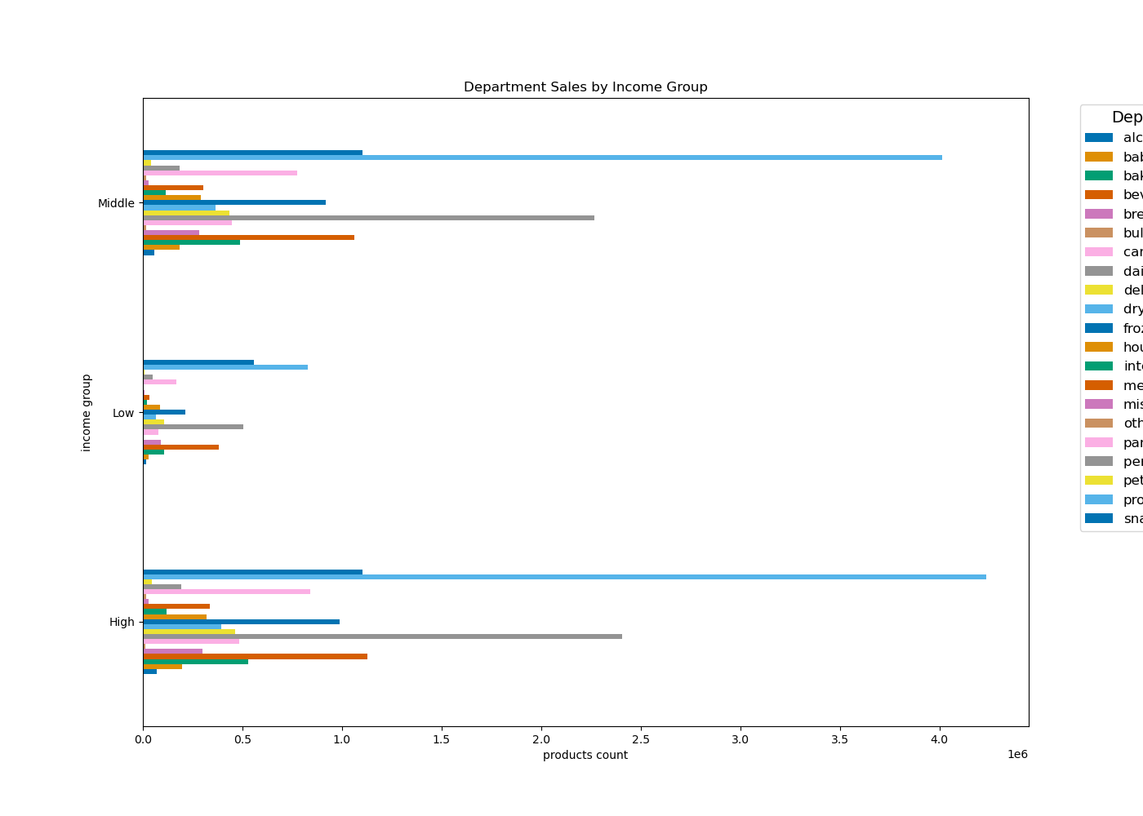

Question
Marketing and Sales Team: What demographics do most of our customers fall into? Such as age, income, dependents status, etc? Age? Income? Certain types of goods? Family status??

Commentary
Most customers are adults (26 - 40 years) or oldr adults (41 - 65 years), married, and have dependants. Also older adults usually tend to be those amongst the higher income bracket (> $100000).

7. Recommendations
 |  |  | Title page

Recommendations

Question | Answer | Recommendations
What are the busiest days of the week and hours of the day? | Saturday and Sunday are the busiest days of the week, while Tuesday and Wednesday tend to be the quietest. Most orders occur between 9 AM and 5 PM, with a peak between 8 AM and 11 AM. | Since midweek days tend to be less busy, consider offering targeted sales and coupons to drive higher sales during these periods.
Are there particular times of day when people spend the most money? | Sales are slightly higher in the morning, followed by the afternoon. Additionally, there are higher number of sales on weekends compared to weekdays. | Most sales tend to happen in the morning and afternoon. Therefore, Instacart should run early morning promotional ads, such as special deals and discounts particularly on weekdays to increase sales throughout the week.
Are there certain products that are more popular than others? | Produce, Dairy/eggs, snacks, and beverages are departments that have the most sales. | Coupons and specials for departments that have less sales are recommended to boost sales for products in those departments.
Are there differences in ordering habits based on loyalty status? | Most customers are amongst low spenders. | Regular customers make the largest contribution to sales, followed by loyal customers, while new customers contribute the least. Instacart should focus on converting its steady influx of new customers into regular or even loyal customers by offering promotional welcome incentives.
Are there differences in ordering habits based on region? | The South and West have the greatest number of total product orders. Produce, dairy/eggs, snacks, and beverages are the top-selling departments across different regions. | Increase advertising and promotions in regions where there are fewer customers, such as the Northeast and Midwest.
What is the distribution among users as to how often they return to Instacart? Is there a connection between age and family status and ordering habits? What different classifications does the demographic information suggest? Age? Income? Certain types of goods? Family status?? | Most customers are adults (26 - 40 years) or oldr adults (41 - 65 years), married, and have dependants. Also older adults usually tend to be those amongst the higher income bracket (> $100000). | Target discounts and rpomotions more towards adults (26 - 40 years). This category of customers tend to have young families and might be more responsive to marketing efforts.
What differences can you find in ordering habits of different customer profiles? Consider the price of orders, the frequency of orders, the products customers are ordering. | The primary demographic for Instacart users consists of middle-income adults and older adults with dependents. This aligns with the needs of larger households, which tend to have higher product consumption. | Customer spending habits vary significantly by age group, marital status, and income, with age being a strong influencing factor. Possible strategies could include: 1. Target High-Income Older Adults & Seniors: Focus on Older Adults and Seniors across all regions for loyalty programs and exclusive deals, as they consistently spend more on groceries. 2. Develop Regional Marketing: Customize campaigns for regional demographics, emphasizing high-income Older Adults and Seniors in the South and West by introducing local promotions in underrepresented areas. 4. Cater to Small Families: Offer meal kits, bulk options, and subscriptions to increase frequency and basket size among adults and small families.

